Explanatory notes
General Treatment Dental Annual Report

Notes to be read in conjunction with tables
- Figures published in this report may be revised in future reports following changes to methodology and/or submissions or resubmissions of data by private health insurers.

Scope
- The scope of the General Treatment Data collection is services (coded under the Australian Schedule of Dental Services and Glossary Australian Dental Association Thirteenth Edition (ADA) code) for which health insurers have paid benefits. Treatment where benefits were not paid or where the service was funded entirely by another means besides private health insurance (e.g. public, self-funded etc.) are excluded.

Confidentiality
- For table cells where there are less than 10 items/visits/patients or fewer than 3 reporting providers, or one provider accounts for at least 85% of items/visits/patients or two providers account for at least 90% of items/visits/patients, all results have been replaced by asterisks ("*****") to maintain confidentiality. When a confidential cell's value could be calculated using other information provided in the table, the cell has also been made confidential in associated tables.

Table design
- The tables present data for the three most recent financial years (2023–24 to 2025–26). While the standard approach is to present five years of data, comprehensive GTD reporting is only available from 2023–24 onwards. Prior to 2023–24, most health insurers reported data only for the 21 ADA codes that were mandatory under GTD specifications before the 2018–19 update. The 2023–24 financial year was the first year in which all health insurers reported data for all ADA codes claimed. As a result, data for earlier years are not sufficiently complete or comparable for inclusion in these tables.
- For table 6, patients are allocated to an age group based on their age at the first reported service date within the financial year. Patients who have additional services after a birthday that results in a change to a higher five-year age group remain assigned to their original age group for the entire financial year. This approach ensures that each patient is counted only once in the table.
Rounding
- Due to rounding, cells with very small charges, benefits or gap amounts (less than 0.5) will appear as zero for tables in this report.

Example of relationship between Dental invoice & GTD monthly submission & calculation of averages PER item, PER service and PER patient
- To assist with the interpretation of the tables presented in this report and also, to highlight reporting practices that impact interpretation of patient out-of-pocket experiences, consider the fictional patient who had three dental visits during 2023-24. The patient was out-of-pocket $675.50 on their first visit in July 2023, owing to a third and final appointment for a root canal procedure (the two prior appointments occurred in the previous financial year). They had two six-monthly check-ups for the remainder of the financial year and had no out-of-pocket on both occasions. In GTD monthly submissions, in theory, the patient's out-of-pocket experience should correlate with the amount of out-of-pockets derived by the department however, this is not always true. In the second dental visit below, although the patient was not out-of-pocket, the GTD submission suggests a gap amount of $190.50.
- Based on the GTD submissions for this patient's dental experience, for the 2023-24 financial year, overall, there were 16 items claimed across the three dental visits (i.e. appointments). The average charge, benefit and gap per item were $89.19, $35.06 and $54.13 respectively. The Annual Report defines a dental visit as a unique combination of Insurer Identifier, Patient identifer and Service date, which coincides with the three dental visits the patient experienced in 2023-24. On average, per visit, the patient was charged $475.67, and their insurer paid $187, leaving them out of pocket $288.67 (i.e. on average, per visit). The percentage of no-gap visits was 33.3% (i.e. 1 of the patient's three visits, according to GTD data, had no out-of-pocket payment). The average number of items per visit was 5.3. The Annual Report defines a patient as a unique combination of Insurer Identifier and Patient identifer. Overall (i.e. for the patient across the entire financial year), this fictional patient had three visits and was charged $1,427.00, of which their insurer paid $561.00 and they had an overall out-of-pocket of $866.00. On average, 33.3% of the patient's dental visits resulted in a no-gap payment.
- Note, had the patient changed health insurer during 2023/24, for example, after the first dental visit, they would have been treated as a different patient for the last two dental visits. Average amounts per item and per visit would remain unaffected, but their average patient amounts would change from those listed above. If they moved state, irrespective of whether they changed insurer, their dental activity would be reported for each state/territory separately.

Dental visit #1
Invoice | GTD submission
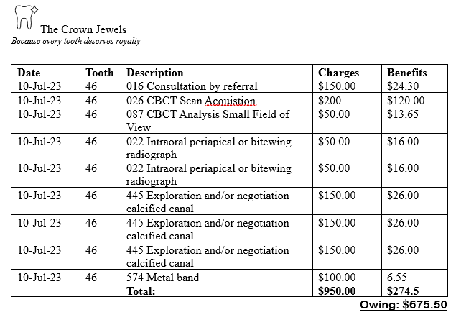

 | Total charges: | $950.00
 | Total benefits: | $274.50
 | Total gap: | $675.50

Dental visit #2
Invoice | GTD submission
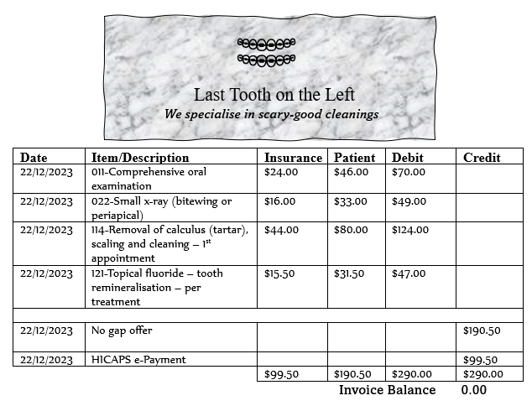

 | Total charges: | $290.00
 | Total benefits: | $99.50
 | Total gap: | $190.50

Dental visit #3
Invoice | GTD submission
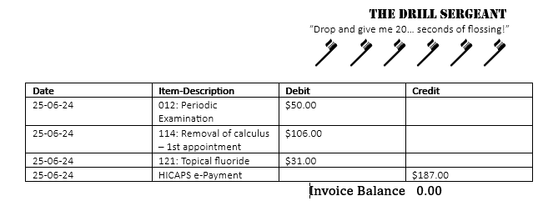

 | Total charges: | $187.00
 | Total benefits: | $187.00
 | Total gap: | $0.00

Exclusions
Calculating statistics
A GTD record (row in a GTD montly file) was excluded if the Number of items exceeded 32 OR the Charge exceeded $100,000 OR the Benefit exceeded $100,000.

Gap payments (also known as ‘out of pocket costs’)
- Care should be taken when interpreting average gap paid amounts, as these figures can be influenced by how no-gap offers are represented in GTD data. In cases where a dental visit is provided under a no-gap arrangement and the patient incurs no out-of-pocket cost, the GTD data may omit the benefit component covered by the no-gap offer. This can give the misleading impression that the patient paid out-of-pocket for the service (refer to dental visit #2 above for an example).
- Gap amounts reflect both provider charges and the level of benefits paid by health insurers. As GTD does not currently include fund product information, observed differences in average gaps may be influenced by variation in members' extras cover, fund benefit schedules and annual benefit limits, and should not be interpreted solely as differences in provider charging practices.

Terminology
Items
- Items, in this report, refers to the Number of items data item (see GTD data specification). In the GTD data specifications, each row specifies the number of items (one or more) associated with one ADA code.
Visits
- Visits, in this report, refer to a unique combination of Insurer Identifier, Patient identifer and Service date. Claim ID was excluded from this definition due to variation in how health insurers reported claim IDs within the same visit. A single visit can involve one or more provider numbers, one or more items and one or more ADA codes.
Patients
- Patients, in this report, refer to a unique combination of Insurer Identifier and Patient identifer. Patient identifiers are insurer-specific and hence, a patient can be counted multiple times if they had treatment claimed under different health insurers during a financial year.

Completeness
- GTD completeness is measured against statistics reported by the Australian Prudential Regulation Authority (APRA) in its quarterly reports. Quarterly APRA statistics have been combined into financial year figures for this report. (see Table 7). Although the APRA reports use the term 'Services' when referring to General Treatment Dental activity, based on a comparison of volumes between APRA and GTD, APRA's use of the term 'Services' coincides more closely with this report's use of the term 'Items'.

Data Quality
- During the upload of GTD monthly files to the department’s portal, validity checks are automatically performed. Each data item is evaluated against the edit rules specified in the GTD data standards. A file will be considered failed and require correction and re-upload if more than 2% of its rows contain one or more critical errors.
- Even when data item values meet the GTD data specification edit rules, they may still be invalid. For this report, records were excluded if they contained an unusually high number of items (over 32) or charges/benefits exceeding $100,000. Additionally, records with negative values—after reversals were applied—were also excluded. These exclusions resulted in approximately 4% of the originally submitted GTD data being omitted from the report.

Definitions and abbreviations
- ADA - Australian Dental Association
- APRA - Australian Prudential Regulation Authority
- GTD - General Treatment Dental

F1
General Treatment Dental Annual Report

Figure 1: Privately insured dental treatment – items, charges, benefits and gaps, by ADA category, percent of total, 2023-24 and preliminary 2025-26

Diagnostic Services | 41.78
Endodontics | 1.57
General Services | 0.80
Miscellaneous | 0.07
Oral Surgery | 2.22
Orthodontics | 0.63
Periodontics | 3.74
Preventive, Prophylactic and Bleaching Services | 35.21
Prosthodontics | 2.77
Restorative Services | 11.22
Diagnostic Services | 42.67
Endodontics | 1.33
General Services | 0.77
Miscellaneous | 0.07
Oral Surgery | 1.99
Orthodontics | 0.47
Periodontics | 3.64
Preventive, Prophylactic and Bleaching Services | 36.28
Prosthodontics | 2.56
Restorative Services | 10.23
 | 2023-24 | 2025-26*
Number of items

Diagnostic Services | 19.45
Endodontics | 3.09
General Services | 1.81
Miscellaneous | 0.22
Oral Surgery | 5.58
Orthodontics | 6.35
Periodontics | 2.92
Preventive, Prophylactic and Bleaching Services | 23.10
Prosthodontics | 18.84
Restorative Services | 18.62
Diagnostic Services | 20.44
Endodontics | 2.78
General Services | 1.83
Miscellaneous | 0.21
Oral Surgery | 5.36
Orthodontics | 5.86
Periodontics | 3.02
Preventive, Prophylactic and Bleaching Services | 24.36
Prosthodontics | 18.39
Restorative Services | 17.67
 | 2023-24 | 2025-26*
Charges

Diagnostic Services | 24.41
Endodontics | 2.42
General Services | 1.72
Miscellaneous | 0.14
Oral Surgery | 4.37
Orthodontics | 4.33
Periodontics | 2.58
Preventive, Prophylactic and Bleaching Services | 28.93
Prosthodontics | 13.83
Restorative Services | 17.27
Diagnostic Services | 25.88
Endodontics | 2.05
General Services | 1.72
Miscellaneous | 0.14
Oral Surgery | 4.03
Orthodontics | 3.41
Periodontics | 2.60
Preventive, Prophylactic and Bleaching Services | 31.26
Prosthodontics | 12.63
Restorative Services | 16.26
 | 2023-24 | 2025-26*
Benefits

Diagnostic Services | 13.90
Endodontics | 3.85
General Services | 1.91
Miscellaneous | 0.30
Oral Surgery | 6.93
Orthodontics | 8.62
Periodontics | 3.29
Preventive, Prophylactic and Bleaching Services | 16.58
Prosthodontics | 24.45
Restorative Services | 20.13
Diagnostic Services | 14.16
Endodontics | 3.63
General Services | 1.97
Miscellaneous | 0.30
Oral Surgery | 6.89
Orthodontics | 8.70
Periodontics | 3.51
Preventive, Prophylactic and Bleaching Services | 16.39
Prosthodontics | 25.05
Restorative Services | 19.29
 | 2023-24 | 2025-26*
Gaps

*2025-26 is preliminary only

F2
General Treatment Dental Annual Report

Figure 2: Privately insured dental treatment – average charge, benefit, gap per item, by ADA category, 2023-24 and preliminary 2025-26

 | 2025-26* | 2023-24
Total | $128 | $125
Diagnostic Services | $61 | $58
Endodontics | $268 | $247
General Services | $303 | $285
Miscellaneous | $399 | $375
Oral Surgery | $344 | $314
Orthodontics | $1,586 | $1,264
Periodontics | $106 | $98
Preventive, Prophylactic and Bleaching Services | $86 | $82
Prosthodontics | $919 | $852
Restorative Services | $221 | $208

 | 2025-26* | 2023-24
Total | $68 | $66
Diagnostic Services | $42 | $39
Endodontics | $106 | $102
General Services | $152 | $143
Miscellaneous | $139 | $130
Oral Surgery | $139 | $130
Orthodontics | $494 | $454
Periodontics | $49 | $46
Preventive, Prophylactic and Bleaching Services | $59 | $54
Prosthodontics | $338 | $330
Restorative Services | $109 | $102

 | 2025-26* | 2023-24
Total | $59 | $59
Diagnostic Services | $20 | $20
Endodontics | $162 | $145
General Services | $151 | $142
Miscellaneous | $260 | $245
Oral Surgery | $205 | $184
Orthodontics | $1,092 | $809
Periodontics | $57 | $52
Preventive, Prophylactic and Bleaching Services | $27 | $28
Prosthodontics | $580 | $522
Restorative Services | $112 | $106

*2025-26 is preliminary only

F3
General Treatment Dental Annual Report

Figure 3: Privately insured dental treatment – average gap per item, visit and patient, by patient state/territory, 2023-24 and preliminary 2025-26

 | 2025-26* | 2023-24
Aust | $59 | $59
NSW | $62 | $62
Vic | $59 | $61
Qld | $56 | $56
SA | $52 | $52
WA | $62 | $58
Tas | $63 | $63
NT | $48 | $51
ACT | $70 | $69

 | 2025-26* | 2023-24
Aust | $189 | $181
NSW | $206 | $199
Vic | $181 | $179
Qld | $174 | $168
SA | $153 | $149
WA | $205 | $182
Tas | $187 | $181
NT | $150 | $150
ACT | $214 | $206

 | 2025-26* | 2023-24
Aust | $410 | $392
NSW | $432 | $418
Vic | $388 | $381
Qld | $393 | $377
SA | $372 | $362
WA | $437 | $383
Tas | $401 | $386
NT | $308 | $305
ACT | $439 | $416

*2025-26 is preliminary only

