Declaration
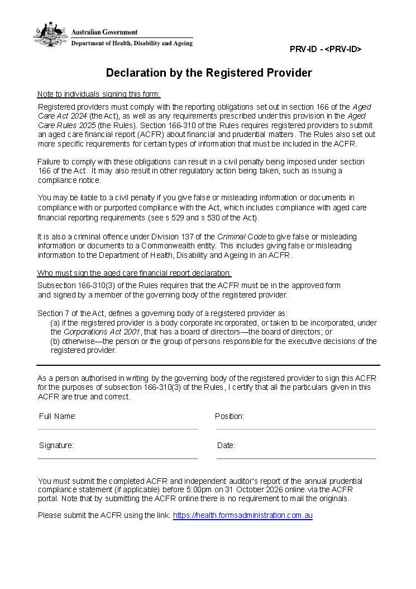
Declaration

The ACFR declaration will become available to download from the portal once all the required sections of the ACFR have been successfully completed. Subsection 166-310(3) of the Rules requires that the ACFR must be signed by a member of the governing body of the registered provider. Section 7 of the Aged Care Act 2024 defines the governing body of a registered provider as: (a) if the registered provider is a body corporate incorporated, or taken to be incorporated, under the Corporations Act 2001, that has a board of directors—the board of directors; or (b) otherwise—the person or the group of persons responsible for the executive decisions of the registered provider.

 | Important: This document is provided for preview purposes only. It cannot be used in your submission. Please ensure you complete and submit using the Declaration file available in the ACFR portal

Financial Support Statement
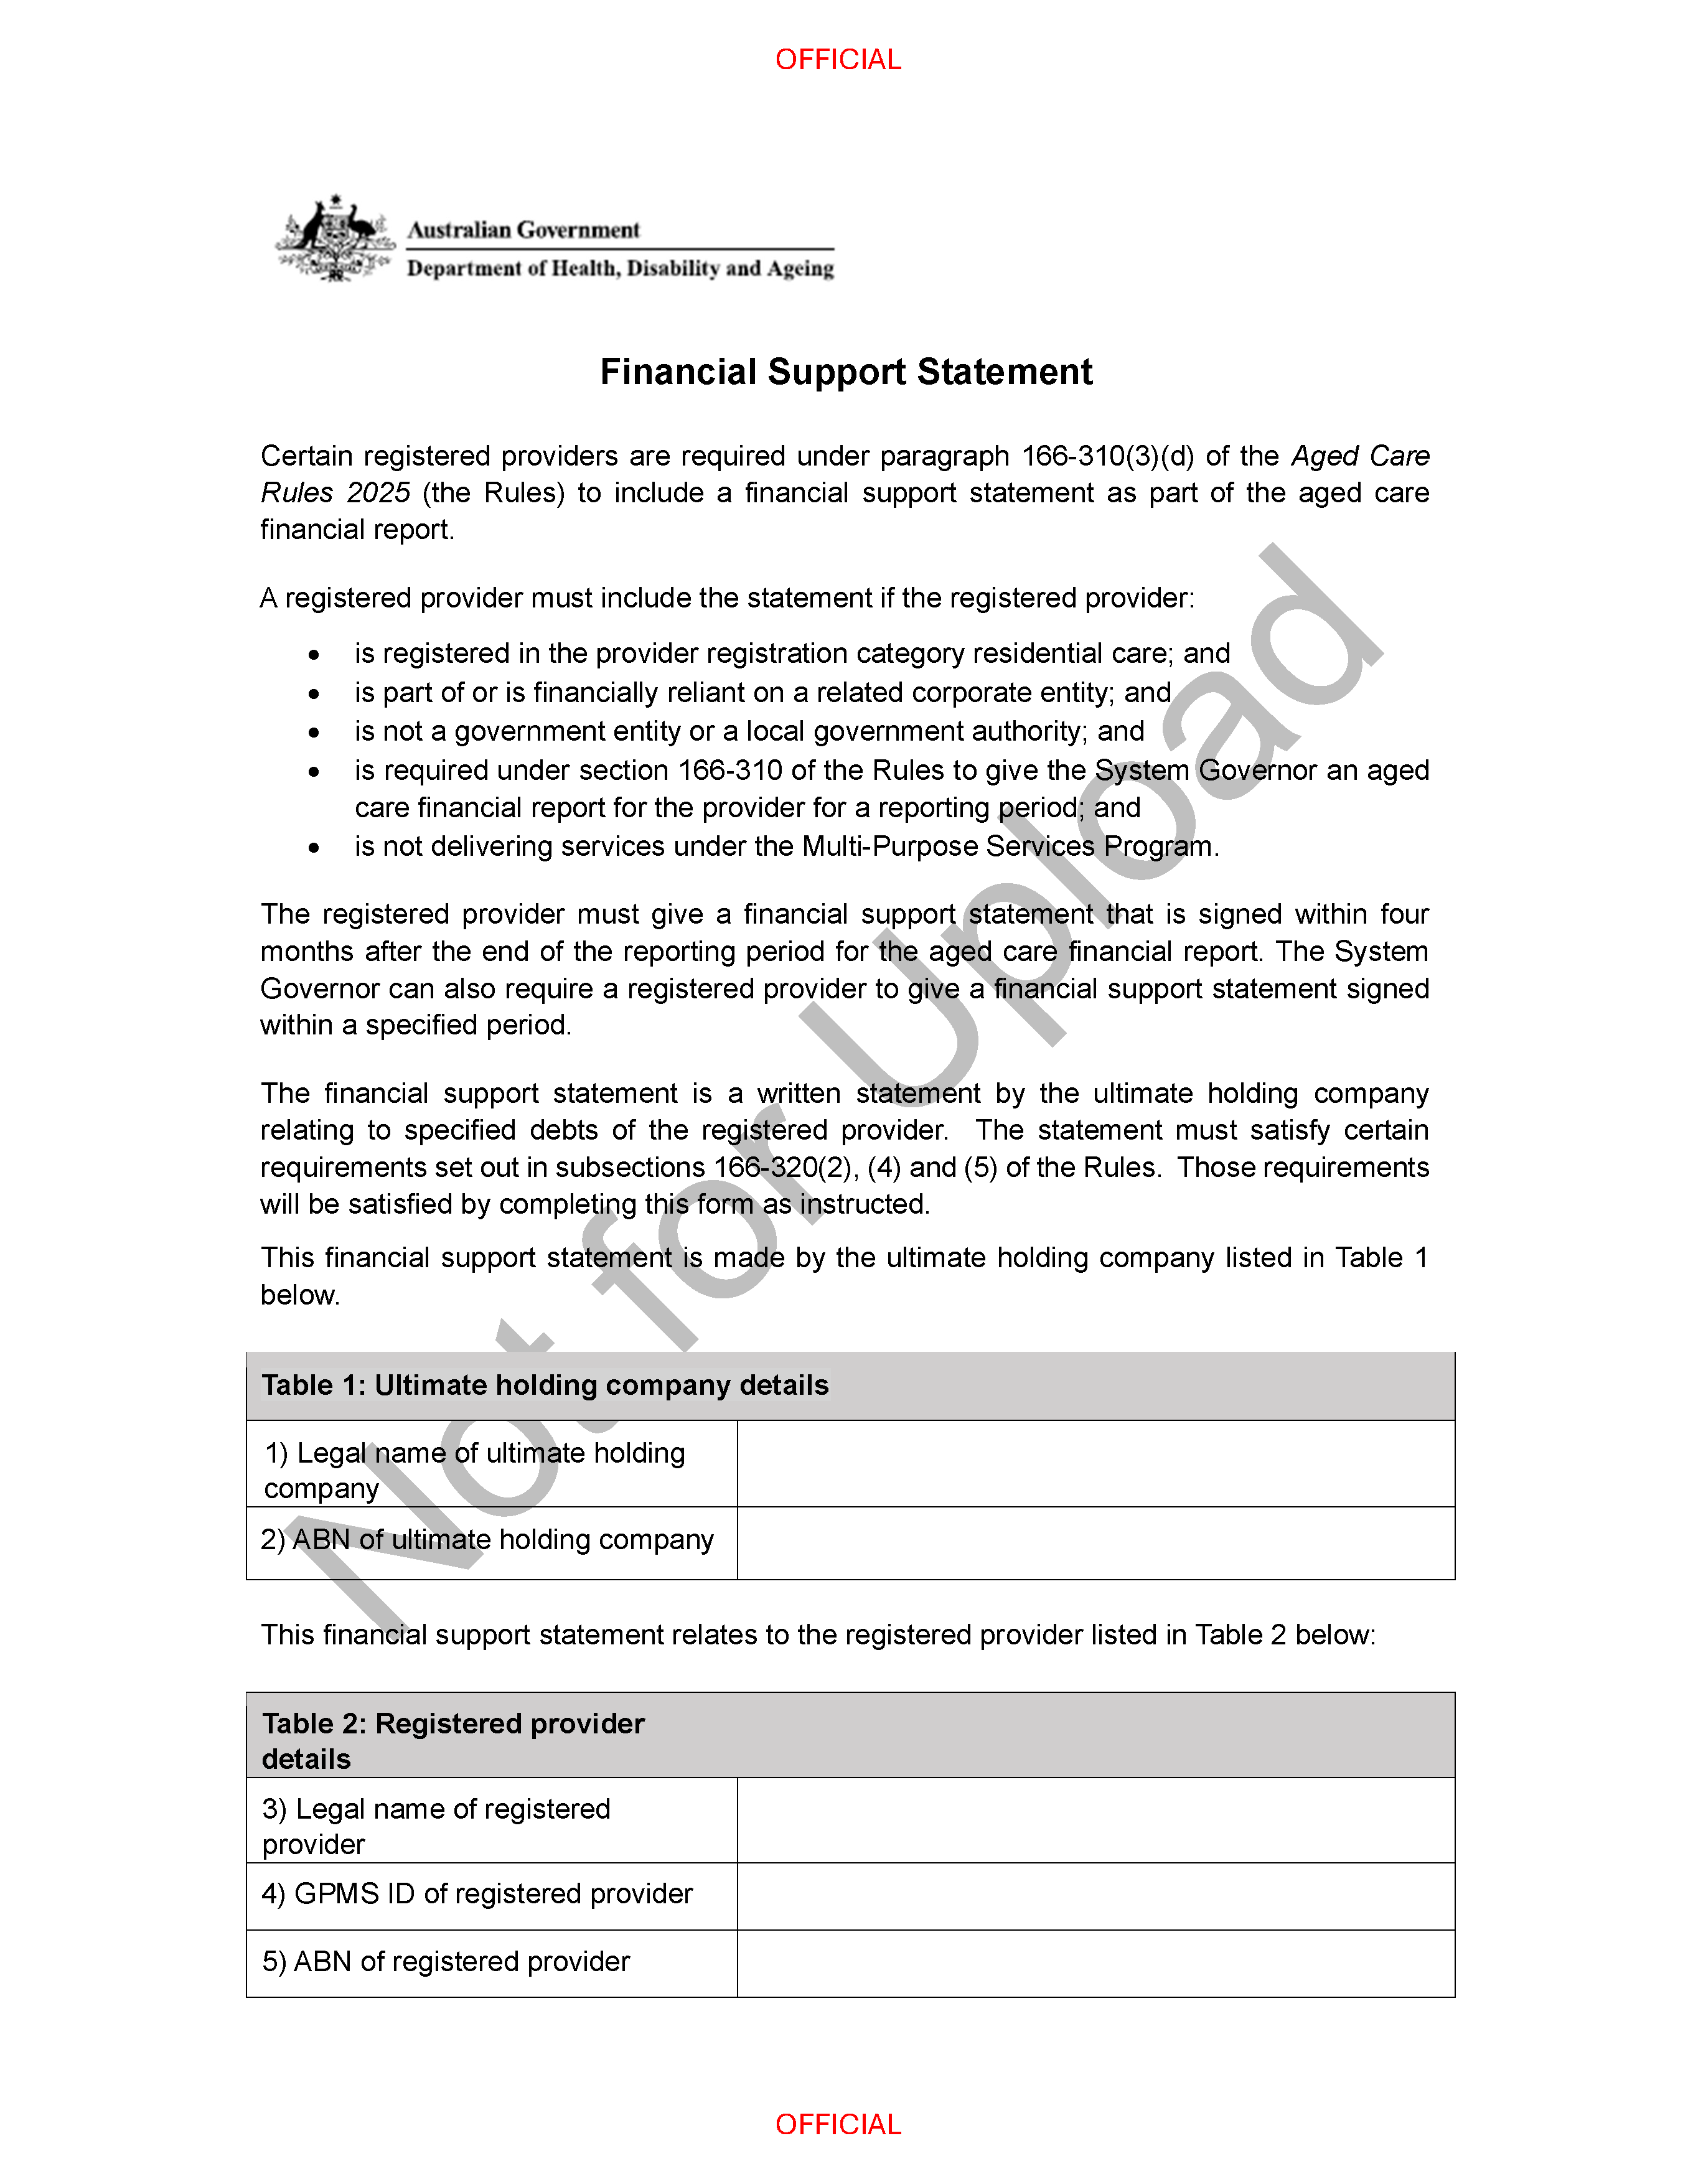
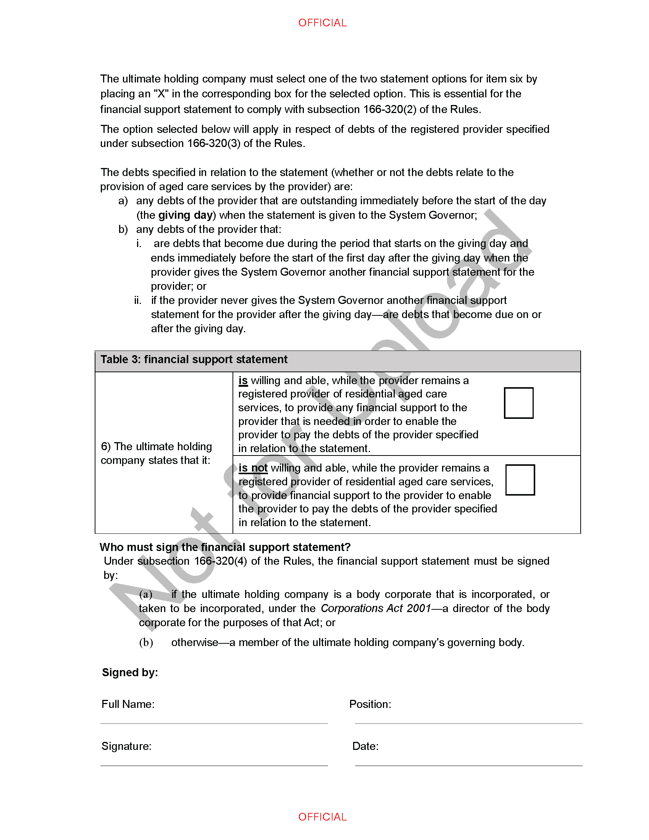
Registered Provider Financial Support Statement

Q1. Is the registered provider a subsidiary of another body corporate? If you answered 'YES' you must complete the Financial Support Statement. If you answered 'NO' this completes the Financial Support Statement component of the ACFR. | Yes | No

Q2. Do you have a completed Financial Support Statement? If you answered 'YES' please upload the completed Financial Support Statement and indicate which option was selected in the Financial Support Statement. If you answered 'NO' please provide an explanation of why you were unable to obtain a completed Financial Support Statement. | Yes | No

Important: This document is provided for preview purposes only. It cannot be used in your submission. Please ensure you complete and submit using the Financial Support Statement file available in the ACFR portal

