DAA
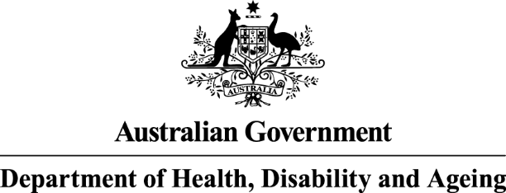
The Dose Administration Aids program data tables are from columns A to E and rows 9 to 23

Eighth Community Pharmacy Agreement (8CPA)
Dose Administration Aids (DAA)
2025-26 Number of Services Paid
Year | Month | Total Number of Active Service Providers* | Services | Expenditure
2025 | July | 5,169 | 1,702,736 | $10,561,022.41
2025 | August | 5,193 | 1,535,853 | $9,539,782.52
2025 | September | 5,189 | 1,539,633 | $9,546,878.02
2025 | October | 5,174 | 1,719,321 | $10,670,385.66
2025 | November | 5,180 | 1,557,193 | $9,649,478.95
2025 | December | 5,094 | 1,499,999 | $9,273,145.97
2026 | January | 5,235 | 1,760,924 | $10,920,832.13
2026 | February | 5,287 | 1,547,433 | $9,575,056.41
2026 | March | 5,273 | 1,592,957 | $9,849,973.10
2026 | April
2026 | May
2026 | June
Total |  |  | 14,456,049 | $89,586,555.17
2024-25 Number of Services Paid
Year | Month | Total Number of Active Service Providers* | Services | Expenditure
2024 | July | 5,113 | 1,387,583 | $8,596,025.49
2024 | August | 5,067 | 1,635,375 | $10,118,201.51
2024 | September | 5,209 | 1,551,886 | $9,607,288.49
2024 | October | 5,167 | 1,690,496 | $10,496,151.03
2024 | November | 5,010 | 1,411,687 | $8,766,829.60
2024 | December | 5,253 | 1,504,047 | $9,300,941.82
2025 | January | 5,237 | 1,729,832 | $10,696,472.42
2025 | February | 5,176 | 1,494,174 | $9,254,130.03
2025 | March | 5,194 | 1,542,263 | $9,551,437.65
2025 | April | 5,030 | 1,663,658 | $10,290,708.54
2025 | May | 5,121 | 1,456,026 | $9,017,325.43
2025 | June | 5,237 | 1,583,999 | $9,820,714.96
Total |  |  | 18,651,026 | $115,516,226.97
* The total number of service providers is not cumulative. A service provider is considered 'active' if they submitted a claim in relation to the program during the month

Sources: PPA Online Claiming Portal and totals are accurate at point in time and may be adjusted over time.

