HMR
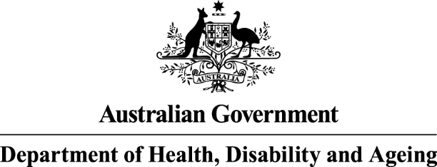
The Home Medicines Review program data tables are from columns A to G and rows 9 to 23

Pharmacy Programs
Home Medicines Review (HMR)
2025-26 Number of Services Paid
Year | Month | Total Number of Active Service Providers* | Total Services** | First Follow Up | Second Follow Up | Expenditure
2025 | July | 1,377 | 13,756 | 1,661 | 256 | $2,836,649.46
2025 | August | 1,386 | 14,906 | 1,756 | 237 | $3,085,428.38
2025 | September | 1,388 | 15,152 | 1,893 | 300 | $3,114,444.70
2025 | October | 1,402 | 14,942 | 1,906 | 289 | $3,068,052.94
2025 | November | 1,389 | 15,369 | 1,896 | 244 | $3,171,808.13
2025 | December
2026 | January
2026 | February
2026 | March
2026 | April
2026 | May
2026 | June
Total |  |  | 74,125 | 9,112 | 1,326 | $15,276,383.61
2024-25 Number of Services Paid
Year | Month | Total Number of Active Service Providers* | Total Services** | First Follow Up | Second Follow Up | Expenditure
2024 | July | 1,238 | 11,956 | 1,643 | 504 | $2,396,232.46
2024 | August | 1,299 | 13,174 | 2,077 | 499 | $2,620,062.80
2024 | September | 1,298 | 13,107 | 1,850 | 530 | $2,625,240.99
2024 | October | 1,304 | 12,761 | 1,494 | 324 | $2,622,232.33
2024 | November | 1,296 | 13,101 | 1,728 | 367 | $2,664,726.77
2024 | December | 1,282 | 12,361 | 1,781 | 448 | $2,480,440.35
2025 | January | 1,099 | 9,795 | 1,490 | 255 | $1,973,470.55
2025 | February | 1,252 | 12,084 | 1,618 | 295 | $2,462,451.24
2025 | March | 1,343 | 13,398 | 1,669 | 284 | $2,751,328.52
2025 | April | 1,304 | 12,279 | 1,656 | 306 | $2,499,821.07
2025 | May | 1,304 | 13,268 | 1,801 | 384 | $2,690,958.26
2025 | June | 1,339 | 13,621 | 1,847 | 384 | $2,764,472.59
Total |  |  | 150,905 | 20,654 | 4,580 | $30,551,437.93
* The total number of service providers is not cumulative. A service provider is considered 'active' if they submitted a claim in relation to the program during the month

** Total services includes first and second follow up
Sources: PPA Online Claiming Portal and totals are accurate at point in time and may be adjusted over time.

