ATSIPATS
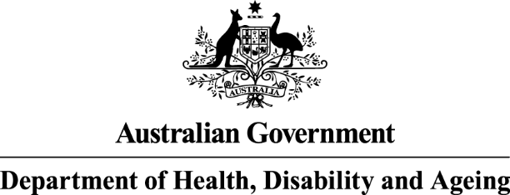
The Aboriginal and Torres Strait Islander Pharmacy Assistant Traineeship Scheme program data table is from columns A to E and rows 9 to 15.

Pharmacy Programs
Aboriginal and Torres Strait Islander Pharmacy Assistant Traineeship Scheme (ATSIPATS)
2025-26 Number of Registered Service Providers, Active Participants and Quarterly Expenditure
Year | Quarter | Number of Registered Service Providers* | Number of Active Participants** | Quarterly Expenditure (GST Excl)
2025 | September | 148 | 13 | $12,500.00
2025 | December
2026 | March
2026 | June
Total** |  | N /A | N/A | $12,500.00
2024-25 Number of Registered Service Providers, Active Participants and Quarterly Expenditure
Year | Quarter | Number of Registered Service Providers* | Number of Active Participants** | Quarterly Expenditure (GST Excl)
2024 | September | 130 | 16 | $30,000.00
2024 | December | 134 | 16 | $40,000.00
2025 | March | 139 | 12 | $7,500.00
2025 | June | 144 | 14 | $15,000.00
Total** |  | N /A | N/A | $92,500.00
* The number of registered service providers is not cumulative. Registrations are only counted once per service provider for the quarter.
** The number of participants are not cumulative. The numbers reported are the active participants during the reporting period.
Sources: Pharmacy Program Administrator Quarterly Report.

IHSPS
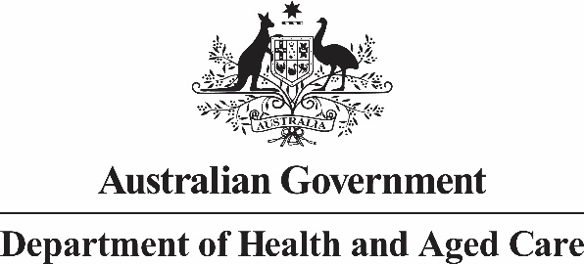
The Emergency Locum Service program data table is from column A to E and rows 9 to 15.

Pharmacy Programs
Indigenous Health Services Pharmacy Support (IHSPS)
2025-26 Number of Registered IHSPS Sites, Approved Claims and Quarterly Expenditure
Year | Quarter | Number of Registered IHSPS Sites* | Number of Approved Claims / Payments | Quarterly Expenditure (GST Excl)
2025 | September** | 227 | 422 | $2,600,054.26
2025 | December
2026 | March
2026 | June
Total |  | N/A | 422 | $2,600,054.26
2024-25 Number of Registered IHSPS Sites, Approved Claims and Quarterly Expenditure
Year | Quarter | Number of Registered IHSPS Sites* | Number of Approved Claims / Payments | Quarterly Expenditure (GST Excl)
2024 | September** | 225 | 390 | $2,318,306.30
2024 | December | 223 | 55 | $604,492.00
2025 | March | 223 | 222 | $1,248,393.10
2025 | June | 223 | 1 | $2,848.80
Total |  | N/A | 668 | $4,174,040.20
* The number of registered IHSPS Sites is not cumulative.
** Payments for both the previous and current program cycles were made in this quarter.
Sources: Pharmacy Program Administrator Quarterly Report.
End of worksheet

